Orbit
Password to unprotect sheets: 123

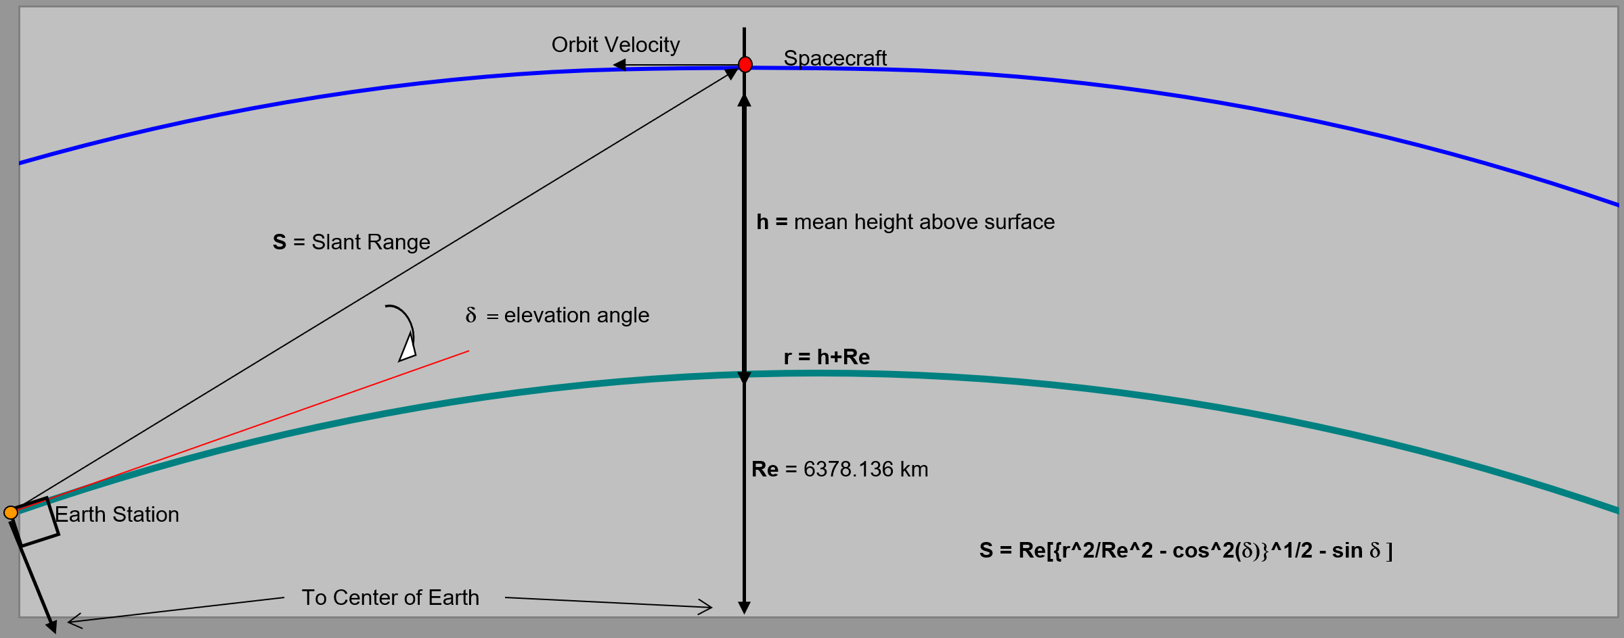

Orbit & Free-Space Path Losses

Uplink frequency & ideal wavelength | 437.305 | MHz | 0.69 | m
Downlink frequency & ideal wavelength | 437.305 | MHz | 0.69 | m

Satellite altitude | 408.00 | km
Radius of Earth | 6378.17 | km
GS antenna elevation angle | 5.00 | °
Slant Range (worst case distance) | 1827.40 | km

Uplink free-space path loss | 150.50 | dB
Downlink free-space path loss | 150.50 | dB

Ground Station Hardware
Antenna
Frequency | 432-440 MHz
Gain | 13.3dBic
beamwidth | 42 degrees
Feed Impedance | 50 ohm
maximum VSWR | 1.5:1
Input Connector | N female
Max power | 1 kW
Weight | 4 lbs
Other | Weather sealed antenna, good for outdoors LEO sattelite comms
Info | M2 Antenna Systems, Inc. | Model No: 436CP16
Price | $295.95
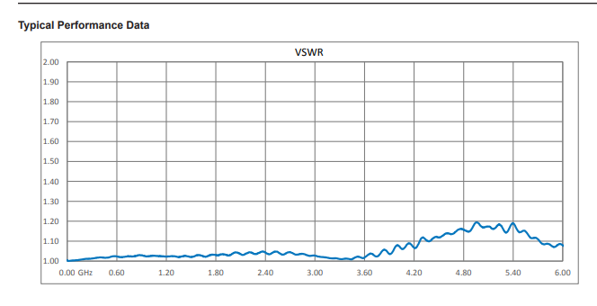
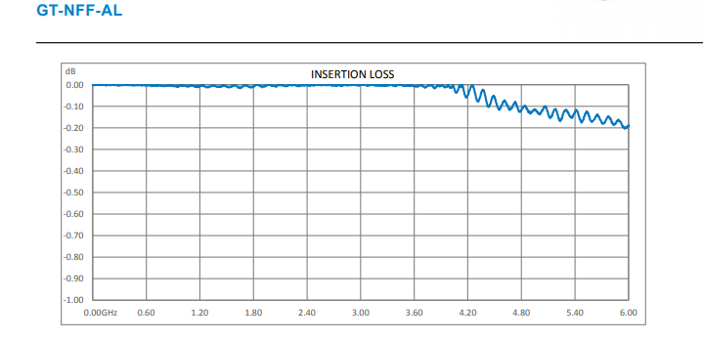
Surge Protector
Frequency | DC-6GHz
Signal Propagation: | Bidirectional
insertion loss | 0.1 at 450 MHz or less
VSWR | <1.1
Input/Output Connector | Bulkhead Female N type
Maximum Input Power | 90W
Other | Built for Outdoor RF sensitive equipment
Info | Polyphaser.com | https://www.polyphaser.com/type-n-surge-protector-6ghz-4ghz-gas-discharge-tube-gt-nff-al
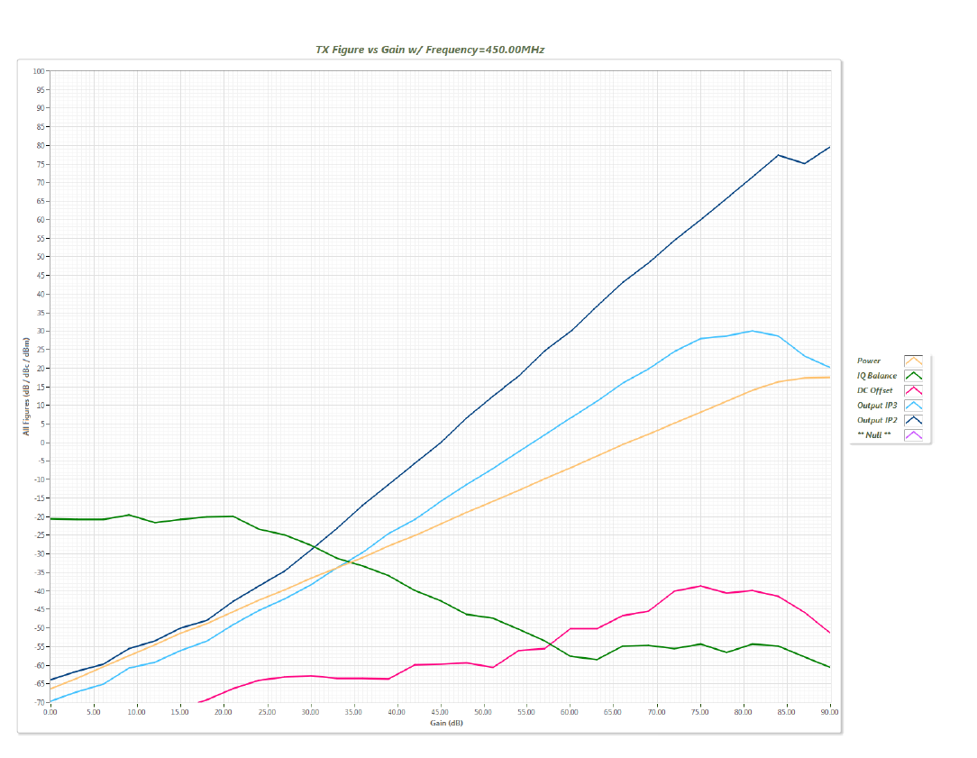
Price | 47.70
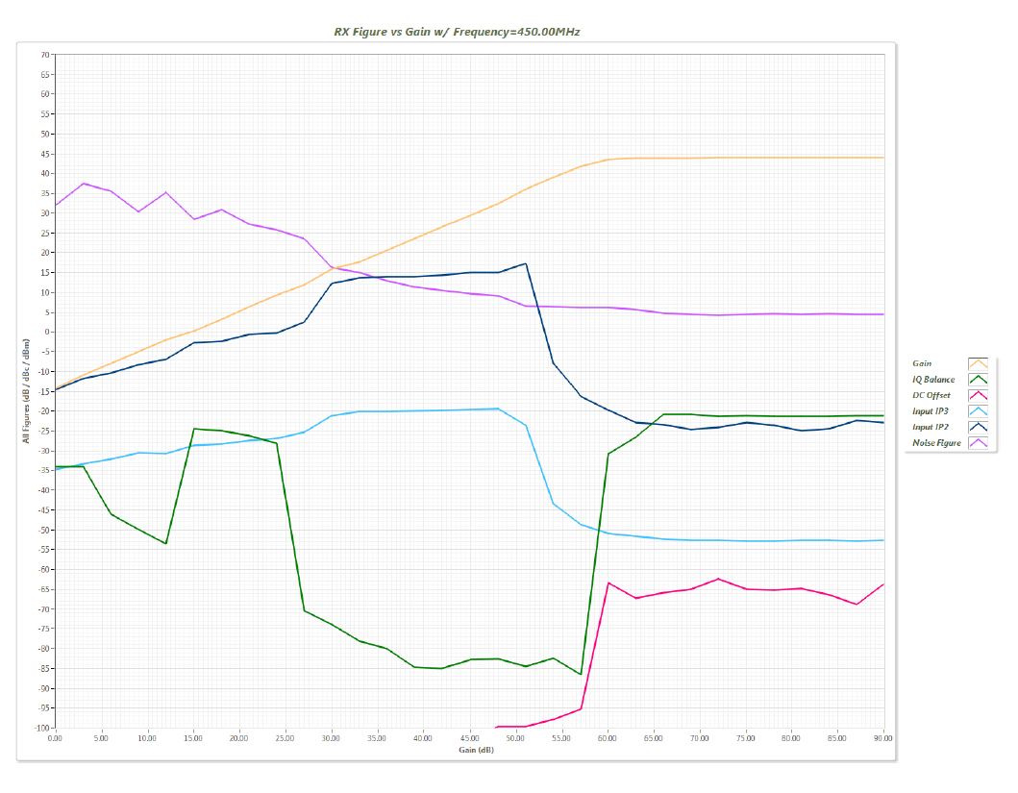
Antenna Polarization Switch
Isolation | 40 dB
VSWR | 1.2:1 or better
insertion loss | 0.2 dB
switch time | 20ms
Power Handling | 150W
Installation: | Must be directly mounted on antenna
Info | M2 Antenna Systems Inc | PS-70CM, 70CM POLARITY SWITCH
Price | 245.99

SDR Transceiver
Transmitter |  | Receiver
Power Output | 17dbm max | Receive Noise Figure | 5 dBm
Number of outputs | 2
Half duplex or full duplex? | Both
IIP3 (at typical NF) | -20dBm

Other
Wired connection to Comp: | USB 3.0 | Frequency accuracy | 12ppm
Coherency: | Coherent detection | ADC sample rate | 61.44 MS/s
Maximum bandwith: | 56 MHz in 1x1, 30MHz in 2x2 | DAC sample rate | 61.44 MS/s
ADC resolution | 12 bits | Price: | 1,830 $ CAD
 |  | Price Enclosure: | 125 $ CAD
IP3 Point: | Gain 35dB
OIP3 Points: | -34 dBm
Suggested Output Power: (1) | -45 dBm ,with only a passband filter in RF chain (LC ladder by students?)
Suggested Output Power: (2) | 17dBm, with passband filter + notch Filters in RF chain for 3rd harmonic suppresion

Dual Junction Circulator
Frequency Range | 400 - 470 MHz
Insertion Loss | 0.6 dB
Isolation | 45dB
VSWR | 1.2
Forward power | 400 W

temp | -30 to 70 d celcius
Price: | 85 $
PN: | UIYCDC9648A400T470NF

Single Junction Circulator
Frequency Range | 431MHz - 441MHz
Insertion Loss | 0.3dB | Taken from a close enough data sheet.. Very specific component we would be ordering (not usually offered but they have it !)
Isolation | 23dB
VSWR | 1.15
Forward power | 300W
Reverse Power | 300W
temp | -30 to 70 d celcius
Price: | 45$
PN: | UIYCC3538A431T441SF

LNA amplifier
Frequency | 180-660 | MHz | https://rflambda.com/pdf/lownoiseamplifier/R18M66MSA.pdf
Gain | 24 | dB
Noise Figure | 0.8 | dB
Input VSWR | 1.5 | dB
Pout 1 dB Compression | 23 | dBm
Third Order Intercept | 36 | dBm

Wide Band Amplifier
Frequency | 10-500 | MHz | https://rflambda.com/pdf/poweramplifier/RFLUPA01050.pdf
Gain | 26 | dB
Noise Figure | ?
Psaturated | 36 | dBm
Pout 1dB Compresssion | 33 | dBm
Input VSWR | 1.7 | :1

Receivers
Password to unprotect sheets: 123

Uplink Receiver (Satellite)

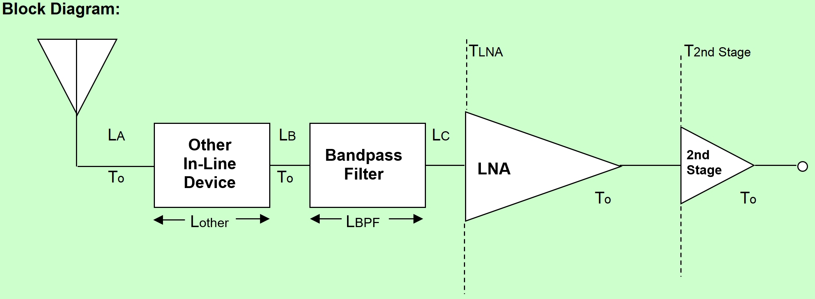

Cable Losses (A, B, C) |  |  |  | Line Lengths (A, B, C)
Cable loss/m |  | dB/m |  | Line A length |  |  | m
Total cable losses | 0.2 | dB |  | Line B length |  |  | m
 |  |  |  | Line C length |  |  | m
 |  |  |  | Total line lengths |  | 0 | m

Other Components
No. of In-Line Connectors
Connector Losses |  |  | 0.2 |  |  | dB
Bandpass Filter Insertion Loss |  |  |  |  |  | dB
Insertion Loss of Other In-Line Devices |  |  |  |  |  | dB

 | Total In-Line Losses from Antenna to LNA
 | Total Losses |  | 0.4 |  | dB

Receiver Parameters
Transmission Line Coefficient |  | a | 0.91
Antenna or "Sky" Temperature |  | TA | 175 |  |  | K
Satellite Temperature |  | T0 | 290 |  |  | K
Low Noise Amp. Temperature |  | TLNA | 145 |  |  | K
Low Noise Amp. Gain |  | GLNA | 23 |  |  | dB
 |  |  | 199.53 |  |  | Linear
2nd Stage Temperature |  | T2Stage | 500 |  |  | K
System Noise Temperature (calc) |  | Tsys | 332.62 |  |  | K

Downlink Receiver (Ground Station)

Cable Losses (A, B, C) |  |  |  | Line Lengths (A, B, C)
Cable loss/m |  | dB/m |  | Line A length |  | 2 | m
Total cable losses |  | dB |  | Line B length |  | 0.5 | m
 |  |  |  | Line C length |  | 2 | m
Cable Losses (D) |  |  |  | Total line lengths |  | 4.50 | m
Cable loss/m | 0.0891 | dB/m
Line D length | 5 | m
Total cable losses | 0.85 | dB

Other Components
No. of In-Line Connectors
Connector Losses |  |  | 0.20 |  |  | dB
Bandpass Filter Insertion Loss |  |  | 1 |  |  | dB
Insertion Loss of Other In-Line Devices |  |  |  |  |  | dB

 | Total In-Line Losses from Antenna to LNA
 | Total Losses |  | 2.05 |  | dB

Receiver Parameters
Transmission Line Coefficient |  | a | 0.62
Antenna or "Sky" Temp. |  | TA | 500 |  |  | K
Ground Station Feedline Temp. |  | T0 | 290 |  |  | K
LNA Temperature |  | TLNA | 60 |  |  | K
LNA Gain |  | GLNA | 26 |  |  | dB
 |  |  | 398.11 |  |  | Linear
Comms. Rcvr Front End Temp. |  | TComRcvr | 3000 |  |  | K
System Noise Temperature |  | Tsys | 490.25 |  |  | K
System Noise Temp. Place Holder |  | Tsys_Test | 650 |  |  | K

Losses
Password to unprotect sheets: 123

Up & Downlink Atmospheric Losses

 | Losses
 | Elevation Angle |  | d | 5.0 | °
 | Uplink Loss & Downlink Loss |  | LATM | 1.8624534764 | dB
 | Rain Attenuation |  | L_rain | 0 | dB

Up & Downlink Ionespheric Losses

 | Losses
 | Uplink Loss |  | LIon. | 0.5 | dB
 | Downlink Loss |  | LIon. | 0.5 | dB

Uplink Antenna Pointing Losses

+Z

+X
-Z
 | Spacecraft
 | Antenna

Spacecraft Symmetry Axis

θ1
θ2
 |  |  | Estimated Pointing Error (q1) |  |  | 5 | °
 |  |  | GS Antenna Pointing Losses |  |  | 0.17 | dB
 |  |  | Estimated Angle (q2) |  |  | 20 | °
 |  |  | Satellite Antenna Pointing Losses |  |  | 0.30 | dB

 | Ground Station
 | Antenna

Uplink Antenna Polarization Losses

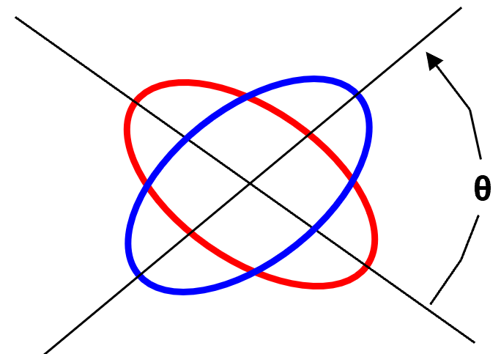
Co-Polarization Losses
Axial Ratio of Tx Ant. (GS) |  | 1 | dB
Axial Ratio of Rx Ant. (Sat.) |  | 1 | dB
Polarization Angle between Antennas |  | 90 | °
Polarization Loss |  | 0.23 | dB

Cross-Polarization Isolation
Cross-Polarization Power Fraction |  | -12.91 | dB
Cross Polarization Isolation |  | 13.14 | dB

Downlink Antenna Pointing Losses

+Z

+X
-Z
Spacecraft
Antenna

Spacecraft Symmetry Axis

θ4
θ3
 |  |  | Estimated Angle (q3) |  |  | 20 | °
 |  |  | Satellite Antenna Pointing Losses |  |  | 0.30 | dB
 |  |  | Estimated Angle (q4) |  |  | 5 | °
 |  |  | GS Antenna Pointing Losses |  |  | 0.17 | dB | 233

Ground Station
Antenna

Downlink Antenna Polarization Losses

Co-Polarization Losses
Axial Ratio of Tx Ant. (Sat.) |  | 1 | dB
Axial Ratio of Rx Ant. (GS) |  | 1 | dB
Polarization Angle between Antennas |  | 90 | °
Polarization Loss |  | 0.23 | dB

Cross-Polarization Isolation
Cross-Polarization Power Fraction |  | -12.91 | dB
Cross Polarization Isolation |  | 13.14 | dB

AX.25 Protocol Information
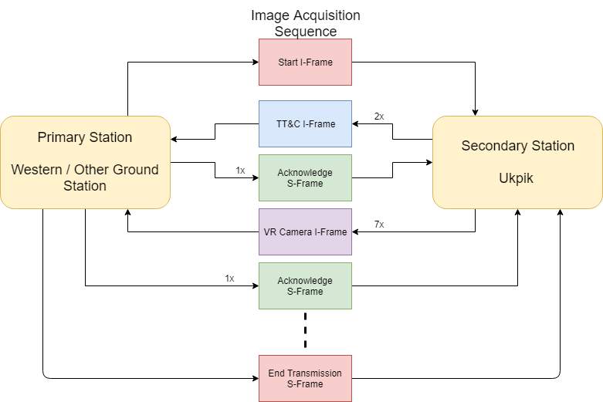
Packet Structure Ax.25
Frame | Overhead (bits) | Overhead (%) | Information (bits) | Information (%) | Total (bits)
Information | 144 | 15.65 | 776 | 84.35 | 920
U/Supervisory | 144 | 100 | 0 | 0 | 144

Name | Data | Unit | Comments
Propagation Delay | 0.02126 | s | straight line of sight directly overhead
Processing Time Ground | 0.05 | s | Initial guess
Processing Time Cubesat | 0.05 | s | Initial guess
Bitrate downlink | 9600 | bps | Designed for
Bitrate uplink | 1200 | bps | Maximum for transceiver
Tack | 0.12 | s | time to send acknowledge supervisory packet
Tstart | 0.77 | s | time to send start packet (assuming 1 frame of 920 bits)
Tend | 0.12 | s | time to send end packet (assuming 1 frame of 920 bits)
Tinfo | 0.10 | s | time to send one information packet (assuming 1 frame of 920 bits) |  |  |  | Note I have modified TT&C frame to be 7x before acknowledgement
Mean Duration Access | 559.00 | s | Danlei Work, assumption on slant angle unclear
Margin | 10 | % | Safety
Mean Duration Final | 503 | s | Used for work
Infromation Cycles to be able to receive information | 537.92 | NA | see equation 1.1 for details
Information per pass | 2.922 | MB | See equation 1.2 for details
Information Rate | 5.808 | Kbps | information per pass / access time * 1000
Housekeeping Data |  | bits | Nick Estimate from Vidushi files
Camera Data able to send

 |  |  |  |  |  | Equation 1.1 | Taccess = Tstart_end + Tinformation | access time = time to start link + time to end link + time to send info
 |  |  |  |  |  |  | Taccess = Tstart + Tend +2*Tprop +2Tproc + N*(Tcubeproc+Tgroundproc+Tack+7*Tinfo+2Tprop) | Tstart_end was broken down into time to transmit start + end packets, time radiowave takes to reach desitination and time to process the information
 |  |  |  |  |  |  |  | Tinformation was broken down into the number cycles times the time it takes for 7 image packets to be sent, processed, acknowledge and propagate | *Note receiver is modulo 8 which allows 7 frames per acknowledgement

 |  |  |  |  |  | Equation 1.2 | Information per pass = (Bits_InformationTotal - BitsOverhead) *7frames per cycle*Number of cycles

Backend Data
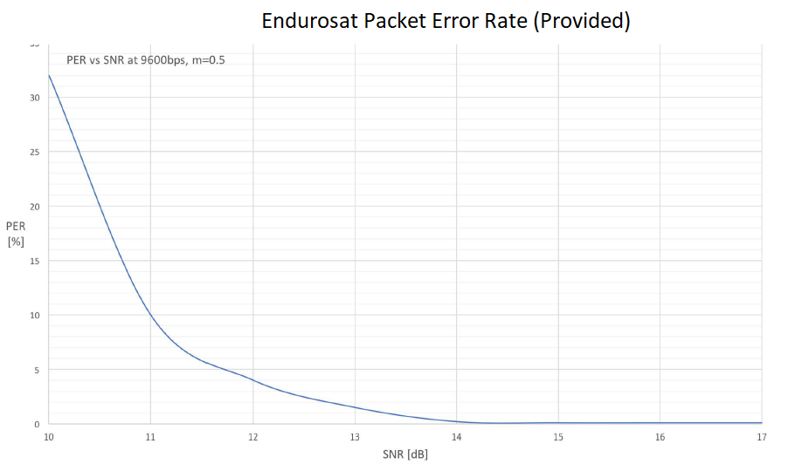
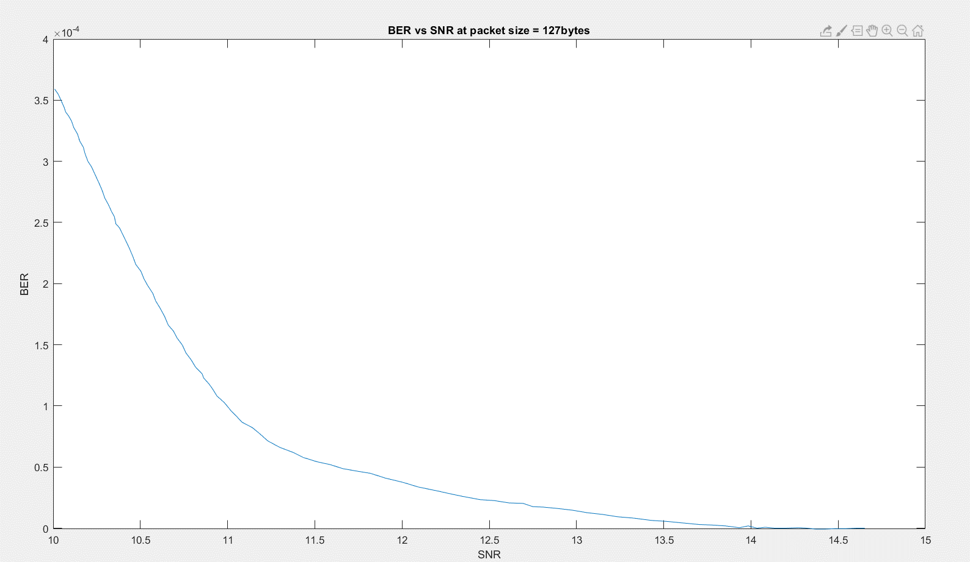
 |  |  |  |  | Uplink
 |  |  |  |  | Ionespheric Losses |  |  |  | Polarization
 |  |  |  |  | Frequency | Unit | Loss | Unit | RHCP
 |  |  |  |  | 145.8 | MHz | 0.7 | dB | LHCP
 |  |  |  |  | 437.305 | MHz | 0.4 | dB | Linear
 |  |  |  |  | 2410 | MHz | 0.1 | dB

 |  |  |  |  | Downlink
 |  |  |  |  | Ionespheric Losses
 |  |  |  |  | Frequency | Unit | Loss | Unit
 |  |  |  |  | 145.8 | MHz | 0.7 | dB
Antenna Polarization |  |  |  |  | 437.305 | MHz | 0.4 | dB
RHCP |  |  |  |  | 2410 | MHz | 0.1 | dB
LHCP
Linear |  |  |  |  | Compression
 |  |  |  |  | 1
 |  |  |  |  | 2
 |  |  |  |  | 3
 |  |  |  |  | 4 |  |  | Bit Error Rate
 |  |  |  |  | 5 |  |  | 1.00E-05
 |  |  |  |  | 6 |  |  | 1.00E-06
 |  |  |  |  | 7 |  |  |  |  | Equation for conversion provided by Endurosat (where n = number of bits per packet)
 |  |  |  |  | 8 |  |  | DL data rate |  | PER = 1 - ( 1 - BER )^n
 |  |  |  |  | 9 |  |  | 1.2
 |  |  |  |  | 10 |  |  | 9.6 |  | BER graph was generated by Nick:
 |  |  |  |  | 11
 |  |  |  |  | 12 |  |  | UL data rate |  | In consideration that our uplink is planned
 |  |  |  |  | 13 |  |  | 1.2
Uplink Antenna Losses |  |  |  |  | 14 |  |  | 9.6 |  | If data rate is decreased by 1/8 but bandwidth is kept the same: SNR = SNR -10log10(1/8) = SNR-9.03 dB
Intermediate Value |  | 18.99047619 |  |  | 15
Axial Ratio of Tx Ant. (GS) |  | 1.2589254118
Axial Ratio of Rx Ant. (Sat.) |  | 1.2589254118
Polarization Angle between Antennas |  | 1.5707963268
Polarization Loss (do not edit) |  | 0.9488002397

Downlink Antenna Losses
Intermediate Value |  | 18.99047619
Axial Ratio of Tx Ant. (Sat.) |  | 1.2589254118
Axial Ratio of Rx Ant. (GS) |  | 1.2589254118
Polarization Angle between Antennas |  | 1.5707963268 |  |  |  |  |  |  |  | Uplink Modulation Information
Polarization Loss (do not edit) |  | 0.9488002397 |  |  |  |  |  |  |  | ID | Scheme | M-Levels | Theoretical Bandwidth Efficiency[bps/Hz] | Bandwidth-Time Product | Data Rate [kbps] | Bandwidth (KHz) | Margin (KHz) | Bandwidth Final(KHz) | BER | SNR (dB)
 |  |  |  |  |  |  |  |  |  | 9.6000100 | GMSK | 2 | NA | m=0.50 | 9.6 | 19 | 5 | 24 | 1.00E-05 | 13.15
 |  |  |  |  |  |  |  |  |  | 9.6000010 | GMSK | 2 | NA | m=0.50 | 9.6 | 19 | 5 | 24 | 1.00E-06 | 13.9
 |  |  |  |  |  |  |  |  |  | 1.2000100 | GMSK | 2 | NA | m=0.50 | 1.2 | 19 | 5 | 24 | 1.00E-05 | 4.12
 |  |  |  |  |  |  |  |  |  | 1.2000010 | GMSK | 2 | NA | m=0.50 | 1.2 | 19 | 5 | 24 | 1.00E-06 | 4.87

 |  |  |  |  |  |  |  |  |  | Downlink Modulation Information (Copied from above table to give a start….)
 |  |  |  |  |  |  |  |  |  | ID | Scheme | M-Levels | Theoretical Bandwidth Efficiency[bps/Hz] | Bandwidth-Time Product | Data Rate [kbps] | Bandwidth (KHz) | Margin (KHz) | Bandwidth Final(KHz) | BER | SNR (dB)
 |  |  |  |  |  |  |  |  |  | 9.6000100 | GMSK | 2 | NA | m=0.50 | 9.6 | 19 | 5 | 24 | 1.00E-05 | 13.15
 |  |  |  |  |  |  |  |  |  | 9.6000010 | GMSK | 2 | NA | m=0.50 | 9.6 | 19 | 5 | 24 | 1.00E-06 | 13.9
 |  |  |  |  |  |  |  |  |  | 1.2000100 | GMSK | 2 | NA | m=0.50 | 1.2 | 19 | 5 | 24 | 1.00E-05 | 4.12
 |  |  |  |  |  |  |  |  |  | 1.2000010 | GMSK | 2 | NA | m=0.50 | 1.2 | 19 | 5 | 24 | 1.00E-06 | 4.87

Atmospheric Attenuation
Frequency (GHz) | absorption coeff oxygen [ dB/km ] | absorption coeff water [dB/km] | h_s (km) | Elevation angle | Aa: Total Attenuation for slanted links [dB] | Attenuation Linear[W]
0.435 | 0.21433551486 | 1.0447591137E-05 | 1 | 2.5 | 3.7213616667 | 2.3557877909
 |  |  |  | 5 | 1.8624534764 | 1.5354841848
 |  |  |  | 10 | 0.93478387305 | 1.2401619068
 |  |  |  | 15 | 0.62716990554 | 1.1553591032
 |  |  |  | 20 | 0.47460221053 | 1.1154759753
 |  |  |  | 25 | 0.3840901607 | 1.0924687329
 |  |  |  | 30 | 0.32464703214 | 1.077617668
 |  |  |  | 35 | 0.28300241394 | 1.0673337475
 |  |  |  | 40 | 0.25253056161 | 1.0598711145
 |  |  |  | 45 | 0.22956011791 | 1.0542801065
 |  |  |  | 50 | 0.2118983011 | 1.0500012839
 |  |  |  | 55 | 0.19816042357 | 1.0466851012
 |  |  |  | 60 | 0.18743505139 | 1.0441033883

